model w CB
Birthday Problem: in N randomly chosen people, what is the probability of at least two people sharing the same birthday?

# of items(birthday) | 365
# of people | 23 | (input <= 365)

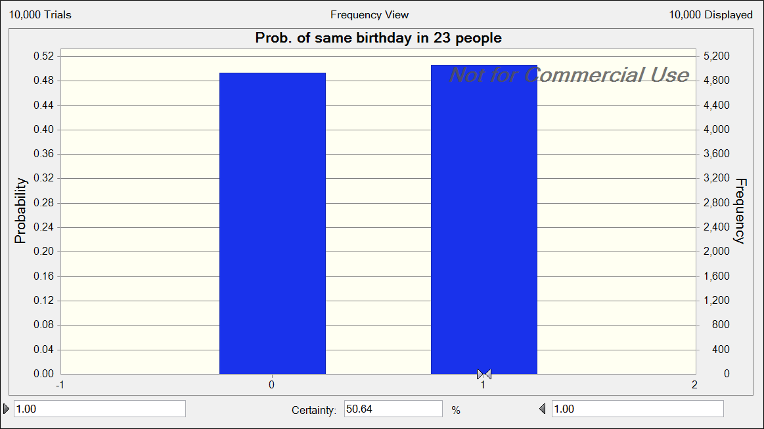
People | Include or Not | Birthday | Count occurance | Whether have Same birthday
1 | 1 | 73 | 1 | 1
2 | 1 | 180 | 1
3 | 1 | 184 | 1
4 | 1 | 204 | 1
5 | 1 | 66 | 1
6 | 1 | 296 | 1
7 | 1 | 338 | 1
8 | 1 | 44 | 1
9 | 1 | 352 | 2
10 | 1 | 71 | 2
11 | 1 | 253 | 1
12 | 1 | 327 | 1
13 | 1 | 352 | 2
14 | 1 | 71 | 2
15 | 1 | 127 | 1
16 | 1 | 108 | 1
17 | 1 | 20 | 1
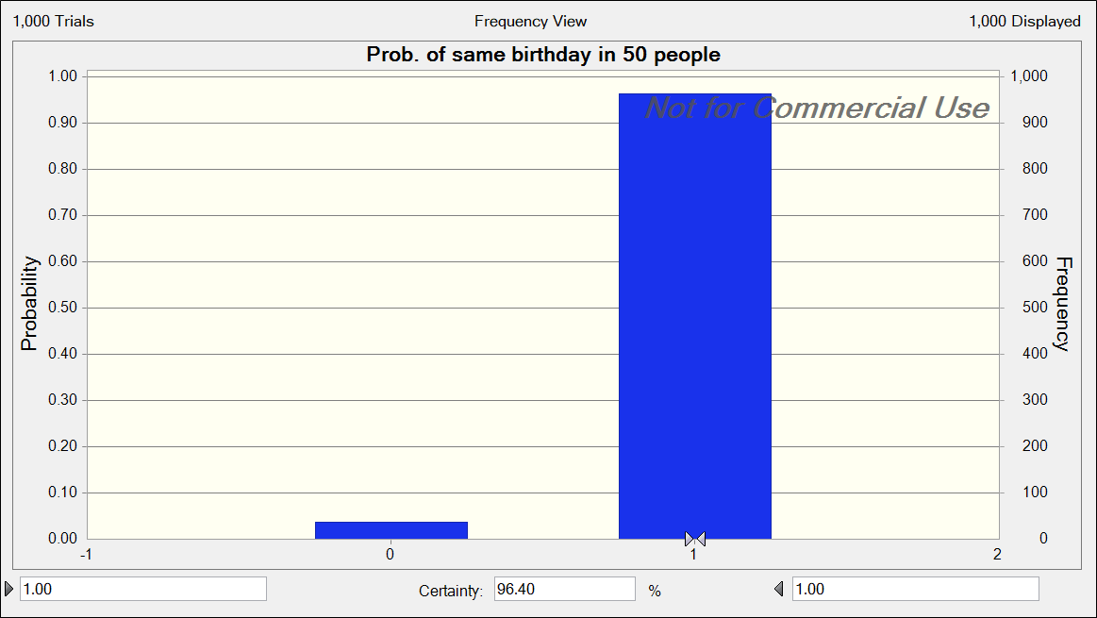
18 | 1 | 272 | 1
19 | 1 | 65 | 1
20 | 1 | 249 | 1
21 | 1 | 186 | 1
22 | 1 | 24 | 1
23 | 1 | 230 | 1
24 | 0 | 0
25 | 0 | 0
26 | 0 | 0
27 | 0 | 0
28 | 0 | 0
29 | 0 | 0
30 | 0 | 0
31 | 0 | 0
32 | 0 | 0
33 | 0 | 0
34 | 0 | 0
35 | 0 | 0
36 | 0 | 0
37 | 0 | 0
38 | 0 | 0
39 | 0 | 0
40 | 0 | 0
41 | 0 | 0
42 | 0 | 0
43 | 0 | 0
44 | 0 | 0
45 | 0 | 0
46 | 0 | 0
47 | 0 | 0
48 | 0 | 0
49 | 0 | 0
50 | 0 | 0
51 | 0 | 0
52 | 0 | 0
53 | 0 | 0
54 | 0 | 0
55 | 0 | 0
56 | 0 | 0
57 | 0 | 0
58 | 0 | 0
59 | 0 | 0
60 | 0 | 0
61 | 0 | 0
62 | 0 | 0
63 | 0 | 0
64 | 0 | 0
65 | 0 | 0
66 | 0 | 0
67 | 0 | 0
68 | 0 | 0
69 | 0 | 0
70 | 0 | 0
71 | 0 | 0
72 | 0 | 0
73 | 0 | 0
74 | 0 | 0
75 | 0 | 0
76 | 0 | 0
77 | 0 | 0
78 | 0 | 0
79 | 0 | 0
80 | 0 | 0
81 | 0 | 0
82 | 0 | 0
83 | 0 | 0
84 | 0 | 0
85 | 0 | 0
86 | 0 | 0
87 | 0 | 0
88 | 0 | 0
89 | 0 | 0
90 | 0 | 0
91 | 0 | 0
92 | 0 | 0
93 | 0 | 0
94 | 0 | 0
95 | 0 | 0
96 | 0 | 0
97 | 0 | 0
98 | 0 | 0
99 | 0 | 0
100 | 0 | 0
101 | 0 | 0
102 | 0 | 0
103 | 0 | 0
104 | 0 | 0
105 | 0 | 0
106 | 0 | 0
107 | 0 | 0
108 | 0 | 0
109 | 0 | 0
110 | 0 | 0
111 | 0 | 0
112 | 0 | 0
113 | 0 | 0
114 | 0 | 0
115 | 0 | 0
116 | 0 | 0
117 | 0 | 0
118 | 0 | 0
119 | 0 | 0
120 | 0 | 0
121 | 0 | 0
122 | 0 | 0
123 | 0 | 0
124 | 0 | 0
125 | 0 | 0
126 | 0 | 0
127 | 0 | 0
128 | 0 | 0
129 | 0 | 0
130 | 0 | 0
131 | 0 | 0
132 | 0 | 0
133 | 0 | 0
134 | 0 | 0
135 | 0 | 0
136 | 0 | 0
137 | 0 | 0
138 | 0 | 0
139 | 0 | 0
140 | 0 | 0
141 | 0 | 0
142 | 0 | 0
143 | 0 | 0
144 | 0 | 0
145 | 0 | 0
146 | 0 | 0
147 | 0 | 0
148 | 0 | 0
149 | 0 | 0
150 | 0 | 0
151 | 0 | 0
152 | 0 | 0
153 | 0 | 0
154 | 0 | 0
155 | 0 | 0
156 | 0 | 0
157 | 0 | 0
158 | 0 | 0
159 | 0 | 0
160 | 0 | 0
161 | 0 | 0
162 | 0 | 0
163 | 0 | 0
164 | 0 | 0
165 | 0 | 0
166 | 0 | 0
167 | 0 | 0
168 | 0 | 0
169 | 0 | 0
170 | 0 | 0
171 | 0 | 0
172 | 0 | 0
173 | 0 | 0
174 | 0 | 0
175 | 0 | 0
176 | 0 | 0
177 | 0 | 0
178 | 0 | 0
179 | 0 | 0
180 | 0 | 0
181 | 0 | 0
182 | 0 | 0
183 | 0 | 0
184 | 0 | 0
185 | 0 | 0
186 | 0 | 0
187 | 0 | 0
188 | 0 | 0
189 | 0 | 0
190 | 0 | 0
191 | 0 | 0
192 | 0 | 0
193 | 0 | 0
194 | 0 | 0
195 | 0 | 0
196 | 0 | 0
197 | 0 | 0
198 | 0 | 0
199 | 0 | 0
200 | 0 | 0
201 | 0 | 0
202 | 0 | 0
203 | 0 | 0
204 | 0 | 0
205 | 0 | 0
206 | 0 | 0
207 | 0 | 0
208 | 0 | 0
209 | 0 | 0
210 | 0 | 0
211 | 0 | 0
212 | 0 | 0
213 | 0 | 0
214 | 0 | 0
215 | 0 | 0
216 | 0 | 0
217 | 0 | 0
218 | 0 | 0
219 | 0 | 0
220 | 0 | 0
221 | 0 | 0
222 | 0 | 0
223 | 0 | 0
224 | 0 | 0
225 | 0 | 0
226 | 0 | 0
227 | 0 | 0
228 | 0 | 0
229 | 0 | 0
230 | 0 | 0
231 | 0 | 0
232 | 0 | 0
233 | 0 | 0
234 | 0 | 0
235 | 0 | 0
236 | 0 | 0
237 | 0 | 0
238 | 0 | 0
239 | 0 | 0
240 | 0 | 0
241 | 0 | 0
242 | 0 | 0
243 | 0 | 0
244 | 0 | 0
245 | 0 | 0
246 | 0 | 0
247 | 0 | 0
248 | 0 | 0
249 | 0 | 0
250 | 0 | 0
251 | 0 | 0
252 | 0 | 0
253 | 0 | 0
254 | 0 | 0
255 | 0 | 0
256 | 0 | 0
257 | 0 | 0
258 | 0 | 0
259 | 0 | 0
260 | 0 | 0
261 | 0 | 0
262 | 0 | 0
263 | 0 | 0
264 | 0 | 0
265 | 0 | 0
266 | 0 | 0
267 | 0 | 0
268 | 0 | 0
269 | 0 | 0
270 | 0 | 0
271 | 0 | 0
272 | 0 | 0
273 | 0 | 0
274 | 0 | 0
275 | 0 | 0
276 | 0 | 0
277 | 0 | 0
278 | 0 | 0
279 | 0 | 0
280 | 0 | 0
281 | 0 | 0
282 | 0 | 0
283 | 0 | 0
284 | 0 | 0
285 | 0 | 0
286 | 0 | 0
287 | 0 | 0
288 | 0 | 0
289 | 0 | 0
290 | 0 | 0
291 | 0 | 0
292 | 0 | 0
293 | 0 | 0
294 | 0 | 0
295 | 0 | 0
296 | 0 | 0
297 | 0 | 0
298 | 0 | 0
299 | 0 | 0
300 | 0 | 0
301 | 0 | 0
302 | 0 | 0
303 | 0 | 0
304 | 0 | 0
305 | 0 | 0
306 | 0 | 0
307 | 0 | 0
308 | 0 | 0
309 | 0 | 0
310 | 0 | 0
311 | 0 | 0
312 | 0 | 0
313 | 0 | 0
314 | 0 | 0
315 | 0 | 0
316 | 0 | 0
317 | 0 | 0
318 | 0 | 0
319 | 0 | 0
320 | 0 | 0
321 | 0 | 0
322 | 0 | 0
323 | 0 | 0
324 | 0 | 0
325 | 0 | 0
326 | 0 | 0
327 | 0 | 0
328 | 0 | 0
329 | 0 | 0
330 | 0 | 0
331 | 0 | 0
332 | 0 | 0
333 | 0 | 0
334 | 0 | 0
335 | 0 | 0
336 | 0 | 0
337 | 0 | 0
338 | 0 | 0
339 | 0 | 0
340 | 0 | 0
341 | 0 | 0
342 | 0 | 0
343 | 0 | 0
344 | 0 | 0
345 | 0 | 0
346 | 0 | 0
347 | 0 | 0
348 | 0 | 0
349 | 0 | 0
350 | 0 | 0
351 | 0 | 0
352 | 0 | 0
353 | 0 | 0
354 | 0 | 0
355 | 0 | 0
356 | 0 | 0
357 | 0 | 0
358 | 0 | 0
359 | 0 | 0
360 | 0 | 0
361 | 0 | 0
362 | 0 | 0
363 | 0 | 0
364 | 0 | 0
365 | 0 | 0

